Sheet1
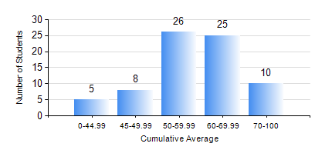
 |  |  | KWAME NKRUMAH UNIVERSITY OF SCIENCE AND TECHNOLOGY, KUMASI Department of Mechanical Engineering

 |  |  | BSC. INDUSTRIAL ENG.

 |  |  | COMPREHENSIVE RECORD OF EXAMINATION RESULTS

 |  |  | RESULTS OF YEAR 2 SECOND SEMESTER, 2023/2024 ACADEMIC YEAR

 | Sn | Course Code |  | Course Name | Credit Hours | Min. Mark | Max. Mark | Avg. Mark | Std. Dev. | No. Passed | No. Trailed | No. (Df) | No. (I) | No. (I*) | No. Tagged(I,I*,Df) | Total
 | 0. |  |  |  |  |  |  | 0 | 0 | 0 | 0 | 0 | 0 | 0 | 0 | 6
 | 1. | ENGL 264 |  | LITERATURE IN ENGLISH II | 1 | 40 | 80 | 62 | 9.5 | 67 | 0 | 0 | 1 | 0 | 1 | 68
 | 2. | IE 274 |  | SECOND YEAR DESIGN PROJECT | 2 | 29 | 97 | 64 | 16.17 | 67 | 1 | 0 | 0 | 0 | 0 | 68
 | 3. | IE 296 |  | INDUSTRIAL ENGINEERING LABORATORY II | 1 | 51 | 79 | 76 | 4.97 | 68 | 0 | 0 | 0 | 0 | 0 | 68
 | 4. | MATH 252 |  | CALCULUS WITH SEVERAL VARIABLES | 4 | 40 | 79 | 54 | 9.7 | 67 | 0 | 0 | 1 | 0 | 1 | 68
 | 5. | ME 252 |  | FLUID DYNAMICS I | 2 | 23 | 99 | 55 | 11.82 | 67 | 1 | 0 | 0 | 0 | 0 | 68
 | 6. | ME 264 |  | MECHANISMS SYNTHESIS AND ANALYSIS I | 3 | 13 | 80 | 54 | 13.22 | 63 | 4 | 0 | 1 | 0 | 1 | 68
 | 7. | ME 266 |  | THERMODYNAMICS I | 2 | 27 | 98 | 68 | 17.08 | 65 | 3 | 0 | 0 | 0 | 0 | 68
 | 8. | ME 270 |  | MANUFACTURING TECHNOLOGY | 3 | 30 | 90 | 70 | 11.66 | 66 | 2 | 0 | 0 | 0 | 0 | 68

